Information
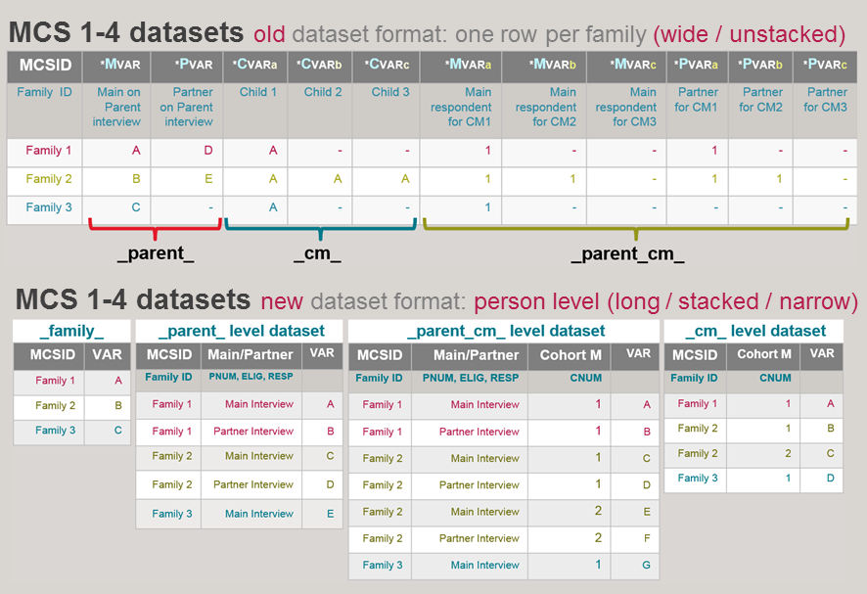
Overview of MCS Long and Wide formats
The data of the first four sweeps of MCS (Sweep 1-4) were available in a wide format (one row per family) until Spring 2020. The new format is long (one row per respondent per family). Moreover the new / long datasets replace the old / wide datasets. For more information please read the relevant Part 9 of the MCS1-5 User Guide .
This spreadsheet provides the correspondence between the variables of the old / wide datasets and the new / long datasets. For identification of information of all sweeps of MCS please consult the questionnaires and the MCS_Longitudinal_Data_Dictionary_

Variable naming convention differences between old (wide) and new (long) format

Character position in the variable name | 1st character | 2nd character | Mid-4-characters | Last 2 characters
OLD-wide_format | Sweep (A, B, etc) | M = Main respondent P = Partner respondent X = Proxy respondent H = Household info | CAPI code from question-naire | A/B/C = information about 1st/2nd/3rd Cohort Member of the family A-Z = Loop or Multicode option
NEW-long_format | Sweep (A, B, etc) | P = Parent C = Cohort Member X = Proxy respondent H = Household info | CAPI code from question-naire | A-Z = Loop or Multicode option

Variable distribution in datasets in the old (wide) and in the new (long) format

